Instructions
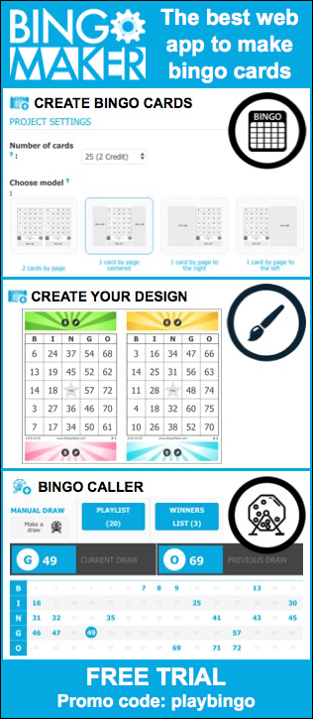
 | Instructions
 | To generate personnalized bingo cards, follow the steps 1 to 5. The cards will contain numbers from 1 to 75 with a free center. Write the proper content in the yellow cells as needed. Cards will automatically shuffle themselves as you enter the information.
 | Follow the steps 1 to 5
 | . .. … …. Modify the yellow cells …. … .. .

1 | Modify the content in the yellow cells next to the points a. to c. Don't leave any yellow cells empty. To disable the 4 corners function, uncheck the boxes to the right of the step c.
 |  |  | Master Card
 |  |  | (This represent the first bingo card of a set of 100)
 | a. | Columns: | B | I | N | G | O
 |  |  | 5 | 24 | 36 | 53 | 66
 |  |  | 12 | 25 | 43 | 48 | 74
 | b. | Center: | 7 | 30 | FREE | 55 | 62
 |  |  | 4 | 20 | 37 | 54 | 61
 |  |  | 3 | 29 | 40 | 51 | 65
 |  |  |  |  | 1

 | c. | The bingo cards will be numbered from |  |  | 1 | to | 90 | 4 corners

2 | Select the sheet « 15 cards per page ».
3 | Check if the information is properly displayed. You can modify the font size and color the way you like. You can go back at anytime to the "Instructions" sheet if changes are needed.
 | Mac: To shuffle the bingo cards, copy and paste a blank cell (cmd + c, cmd + v).
5 | All you need to do is to print, save, or create a PDF file of the bingo cards you just created. Also print the sheet "Numbers from 1 to 75". Have fun!

 |  |  |  |  | BingoCardGenerator.com

