Instructions
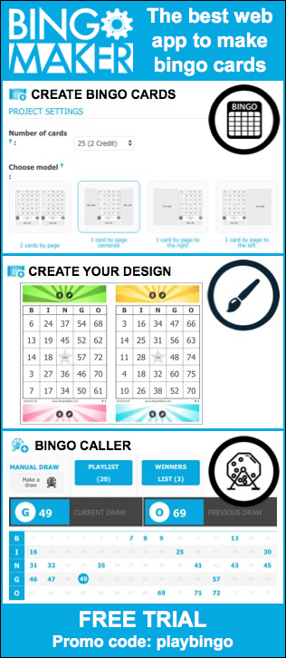
 | Instructions
 | To generate personnalized bingo cards, follow the steps 1 to 5. The cards will contain numbers from 1 to 75 with a free center. Write the proper content in the yellow cells. Cards will automatically shuffle themselves as you enter the information.
 | Follow the steps 1 to 5
 | . .. … …. Modify the yellow cells …. … .. .

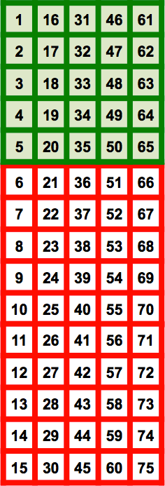
1 | Modify the content in the yellow cells next to the points a. to e. Don't leave any yellow cells empty. If you write a long title or description, you may need to change the font to make it fit properly into the bingo cards. To remove the title, the description or the corners, uncheck the boxes on the master card.
 |  |  | Master Card
 | a. | Title: | Write the title here
 |  |  | (This represent the first bingo card of a set of 100)
 | b. | Columns: | B | I | N | G | O
 |  |  | 4 | 24 | 39 | 52 | 68
 |  |  | 10 | 22 | 41 | 50 | 66
 | c. | Center: | 7 | 21 | Free | 49 | 69
 |  |  | 13 | 26 | 38 | 55 | 61
 |  |  | 11 | 25 | 37 | 60 | 64
 |  |  |  |  | 1
 | d. | Description: | Write the description here

 | e. | The bingo cards will be numbered from |  |  | 1 | to | 100 | Corners

2 | Choose which format of bingo cards you would like to print.
3 | Check if the information is properly displayed. You can modify the font as needed. You can go back at anytime to the "Instructions" sheet if changes are needed.
4 | Windows: To shuffle the bingo cards, press the "F9" key.
 | Mac: To shuffle the bingo cards, copy and paste a blank cell (cmd + c, cmd + v).
5 | Print, save or create a PDF file of the bingo cards and the Call Sheet.

 |  |  |  |  | BingoCardGenerator.com

