Instructions
 | Instructions
 | To generate personnalized bingo cards, follow the steps 1 to 6. The cards of this program contain 25 random words. Write the proper content in the yellow cells. Cards will automatically shuffle themselves as you enter the information.
 | Follow the steps 1 to 6
 | . .. … …. Modify the yellow cells …. … .. .

1 | Modify the content in the yellow cells next to the points a. to e. Don't leave any yellow cells empty. If you write a long title or description, you may need to change the font to make it fit properly into the bingo cards. The modification of the columns "B I N G O" and the center "Free" are optional. To remove the title, the description or the corners, uncheck the boxes on the master card.
 |  |  | Master Card
 | a. | Title: | Write the title here
 |  |  | (This represent the first bingo card of a set of 100)
 | b. | Columns: | B | I | N | G | O
 |  |  | Word 3 | Word 7 | Word 13 | Word 18 | Word 24
 |  |  | Word 2 | Word 10 | Word 14 | Word 19 | Word 22
 | c. | Center: | Word 1 | Word 8 | Free | Word 16 | Word 25
 |  |  | Word 5 | Word 9 | Word 11 | Word 17 | Word 21
 |  |  | Word 4 | Word 6 | Word 15 | Word 20 | Word 23
 |  |  |  |  | 1
 | d. | Description: | Write the description here

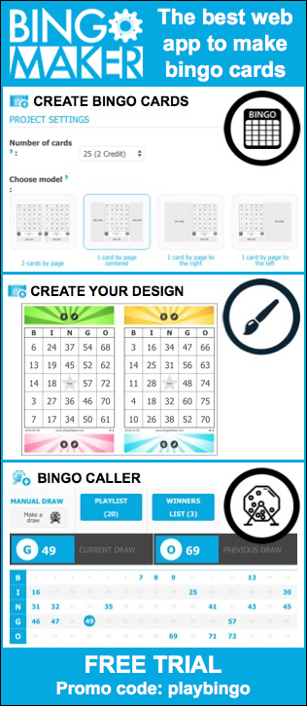
 | e. | The bingo cards will be numbered from |  |  | 1 | to | 100 | 4 Corners
 |  |  |  |  | 2 | Enter your 25 words below.
 |  |  |  |  |  | Columns | # | Word List
 |  |  |  |  |  | B | 1 | Word 1
 |  |  |  |  |  |  | 2 | Word 2
 |  |  |  |  |  |  | 3 | Word 3
 |  |  |  |  |  |  | 4 | Word 4
 |  |  |  |  |  |  | 5 | Word 5
 |  |  |  |  |  | I | 6 | Word 6
 |  |  |  |  |  |  | 7 | Word 7
 |  |  |  |  |  |  | 8 | Word 8
 |  |  |  |  |  |  | 9 | Word 9
 |  |  |  |  |  |  | 10 | Word 10
 |  |  |  |  |  | N | 11 | Word 11
 |  |  |  |  |  |  | 12 | Word 12
 |  |  |  |  |  |  | 13 | Word 13
 |  |  |  |  |  |  | 14 | Word 14
 |  |  |  |  |  |  | 15 | Word 15
 |  |  |  |  |  | G | 16 | Word 16
 |  |  |  |  |  |  | 17 | Word 17
 |  |  |  |  |  |  | 18 | Word 18
 |  |  |  |  |  |  | 19 | Word 19
 |  |  |  |  |  |  | 20 | Word 20
 |  |  |  |  |  | O | 21 | Word 21
 |  |  |  |  |  |  | 22 | Word 22
 |  |  |  |  |  |  | 23 | Word 23
 |  |  |  |  |  |  | 24 | Word 24
 |  |  |  |  |  |  | 25 | Word 25

3 | Choose which format of bingo cards you would like to print.
4 | Check if the information is properly displayed. You can modify the font as needed. You can go back at anytime to the "Instructions" sheet if changes are needed.
5 | Mac: To shuffle the bingo cards, copy and paste a blank cell (cmd + c, cmd + v).
6 | Print, save or create a PDF file of the bingo cards and the Word List.

BingoCardGenerator.com

